ITP - Asphalt
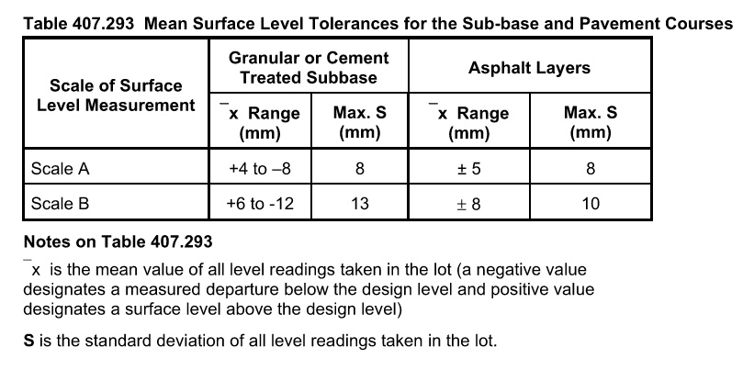
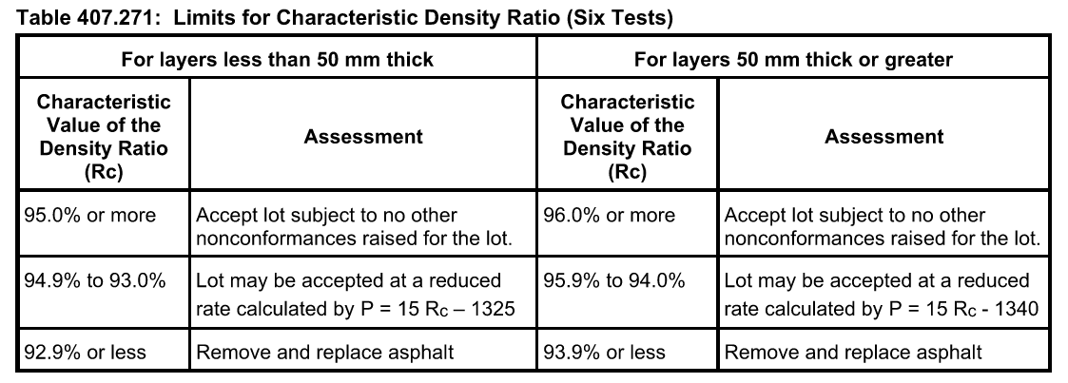
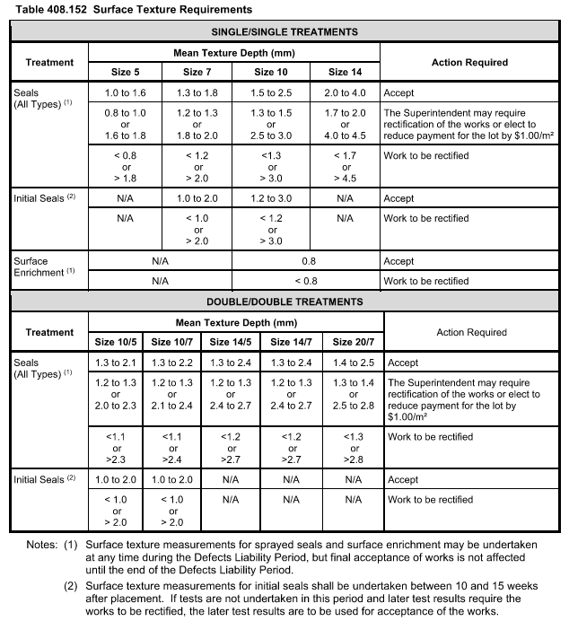
 |  |  | Inspection and Test Plan - Control and Supervision of the Works |  |  |  |  |  |  |  | Document #
 |  |  |  |  |  |  |  |  |  |  | Revision : 1 | Date : 16/02/2023

Client: |  | Department of State Growth |  | Construction Process: |  | Prepared by: |  | Reviewed by : |  |  | Approved by :
Project: |  | DSG Minor Works Panel - Bruny Island Main Road |  | Surfacing - Asphalt Placement & Spray Sealing |  | Name: | Salonee Sarnaik | Name: |  |  | Name:
Contract No: |  |  |  | Specifications: DSG Standard Specification – Section 407, 408 Contract Specific Clauses
 |  |  |  | Structure / Component: Bitumen spray seal, Asphalt |  | Signed : |  | Signed : |  |  | Signed :
 |  |  |  | Location: Bruny Island Main Road |  | Date : | 2023-02-16 | Date : |  |  | Date :

Lot No: |  |  | Lot Details: |  |  |  |  |  | Lot Size/ Quantity:

Item | Task/Activity Description |  | Inspection / Controls and Verification Detail |  |  |  |  | HP/ WP/ AP/ IP/ TP/ SCP | Responsibility | Checked by:
No. |  |  | Frequency | Acceptance Criteria | Reference Documents | Inspection / Test Method | Record of conformity |  | Project Engineer Site Engineer Superintendent Surveyor Foreman | QAV | Fulton Hogan | Superintendent | Date
1 | Preliminary Works
1.1 | Submission of Mix Design |  | Prior to commencing paving | All asphalt mixes proposed for use in the works shall have a mix design registered by the Victorian Department of Transport as 'General', unless otherwise approved by the Victorian Department of Transport. The registration for all mixes incorporated into the works shall be current at the time of their use. The contractor shall submit documentation to the Superintendent nominating the asphalt mixes to be supplied no less than 7 days prior to their use. | Cl 407.09 | Verify | Mix registration & correspondence | HP | FH Engineer/ Superintendent / QAV | N/A
1.2 | Implementation of all measures and controls |  | Prior to commencing any activity | All necessary measures and controls are being implemented, that is: PSP, EMP, TMP, JSEA, SWMS & WP | PSP, EMP, TMP, JSEA, SWMS, WP | Visual Inspection | This ITP signed off | HP* | FH Engineer | N/A |  | N/A
1.3 | Site Inspection and Base Condition |  | Prior to commencing paving | The surface on which asphalt is to be placed shall be essentially dry and free from surface water. Asphalt shall not be placed when the pavement surface is wet, or rain is imminent. | Cl 407.17 (a) AS2150 10.1 AS2150 10.3 | Visual Inspection | This ITP signed off | IP | FH Engineer / Superintendent | N/A |  | N/A
1.4 | Ambient Conditions for Placing |  | Prior to commencing paving | Asphalt shall not be placed when majority of the area to be paved has a surface temperature less than that detailed as follows: Base or Intermediate Courses: 5°C for specified binder class of C170 or C320; or 10°C for asphalt mixes with specified binder class of C600 or containing a PMB. Wearing Course: 10°C for specified binder class of C170 or C320; or 15°C for asphalt mixes with specified binder class of C600 or containing a PMB. | Cl 407.17 (a) Table 407.171 | Verify | This ITP Signed off | IP | FH Engineer / QAV | N/A |  | N/A
2 | Material Procurement for Spray Seal
2.1 | Adhesion Agent |  | Test cert. upon request | Satisfactory field performance. When adhesion agent is added to the binder, the total volume of adhesion agent ≤1% of the binder. | Cl 408.09 (a), | Verify | This ITP Signed off | IP | Site Engineer | N/A |  | N/A
2.2 | Aggregate Precoating Materials |  | Test cert. upon request | Aggregate Precoating Materials shall be distillate, distillate based product, cutback bitumen, emulsion based product or proprietary product. | Cl 408.09 (b) | Verify | This ITP Signed off | IP | Site Engineer | N/A |  | N/A
2.3 | Bitumen |  | Test cert. upon request | Bitumen shall be Class 170 complying with the requirements of AS 2008. | Cl 408.08 (a), AS 2008 | Verify | This ITP Signed off | IP | Site Engineer | N/A |  | N/A
2.4 | Bitumen Emulsion |  | Test cert. upon request | Bitumen Emulsion shall comply with the requirements of AS 1160. | Cl 408.08 (b), AS 1160 | Verify | This ITP Signed off | IP | Site Engineer | N/A |  | N/A
2.5 | Cutback Bitumen |  | Test cert. upon request | Cutback bitumen shall comply with the requirements of AS 2157. | Cl 408.08 (c), AS 2157 | Verify | This ITP Signed off | IP | Site Engineer | N/A |  | N/A
2.6 | Cutter |  | Test cert. upon request | Cutters shall comply with the properties in the Table 408.091. | Cl 408.09 (d) Table 408.091 | Verify | This ITP Signed off | IP | Site Engineer | N/A |  | N/A
2.7 | Polymer Modified Binder (PMB) |  | Test cert. upon request | The class of PMB shall comply with the requirements of Austroads Technical Specification ATS-3110. Alternative or 'ungraded' PMMBs which do not comply with the specified test requirements of ATS-3110 shall not be used without approval by the Superintendent and will be subject to the Contractor providing evidence that the product has delievered satisfactory fiels performance for a period of at least three years. | Cl 408.08 (d), AST-3110 | Verify | This ITP Signed off | IP | Site Engineer | N/A |  | N/A
2.8 | Primer |  | Test cert. upon request | The primer shall be cutback bitumen complying with the requirements of clause 408.08(c) and shall be water resistant, of uniform appearance and capable of providing a strong bond between the bituminous surfacing and the pavement.Bitumen emulsion alternative acceptable upon providing evidence that the emulsion product meets the same functional requirements. | Cl 408.08 (e) | Verify | This ITP Signed off | IP | Site Engineer | N/A |  | N/A
3 | Aggregate
3.1 | Aggregate Specification |  | Each lot | Aggregate shall comply with sections: 801 - Source Rock for the Production of Crushed Rock and Aggregates 831 - Aggregate for Sprayed Bituminous Surfacing | Cl 408.11 (a) | Verify | This ITP Signed off | IP | Site Engineer | N/A |  | N/A
3.2 | Aggregate Precoating |  | Each lot | Supply plant precoated aggregate or field precoated aggregate. Aggregate precoating shall be undertaken using a purpose-built item of plant to apply to the precoating material in a controlled manner that produces a uniform coating. | Cl 408.11 (b) | Verify | This ITP Signed off | IP | Site Engineer | N/A |  | N/A
3.3 | Removal of loose aggregate |  | Each lot | All areas – within 8 hours of sealing as it is mfreeway and AADT is greater than 5000, as per table 408.141, unless otherwise agreed with the Superintendent. For seal of nominal size ≥ 10mm, < 40 loose stones/m2 to remain after removal of loose aggregate. For seal of nominal size ≤ 7mm, < 60 loose stones/m2 to remain after. | Table 408.141 | Verify | This ITP Signed off | IP | Site Engineer | N/A |  | N/A
4 | Asphalt Placement
4.1 | Tack Coat |  | Prior to commencing paving | Tack coat shall consist of a bituminous based binder. From 1 July 2022 only trackles stack coat will be permitted. The contractor shall submit the details of the trackless tack coat proposed to be used in the works | Cl 407.08 (d) AS2150 11 | Verify | Hold Point Release | HP | FH Engineer/ Superintendent | N/A
4.2 | Application of Tack Coat |  | Prior to Asphalt placement | A tack coat shall be applied to all asphalt, concrete or sprayed seals on which asphalt is to be placed. The tack coat shall achieve an effective bond between the asphalt and the underlying layer. | Cl 407.19 | Visual Inspection | This ITP Signed off | IP | FH Engineer / QAV |  |  | N/A
4.3 | Commencement of Asphalt Placement |  | Prior to commencing Paving | The placement of asphalt on the sub-base or granular base for a new pavement or for an overlay of an existing bituminous surfaced pavement shall not commence until approval to proceed is obtained from the Superintendent | Cl 407.23 | Verify | Hold Point Release | HP | FH Engineer / QAV | N/A
4.4 | Delivery of Mix |  | Each load | Asphalt delivered to site, which is segregated, has been overheated, is too cold, contains separated binder, uncoated particles or which does not comply with the Specification shall be removed from the site. | Cl 407.20 (a) | Visual Inspection | Delivery Docket /Asphalt Traceability Sheet | IP | FH Foreman / FH Engineer | N/A |  | N/A
4.5 | Layer Thickness and Scale of Level |  | Regularly during paving | Thickness of asphalt layer conforms to asphalt thickness and Scale for Level as specified on drawings or specifications | Cl 407.30 Drawings | Verify | Dips using ruler or dip stick | IP | FH Foreman / FH Engineer | N/A |  | N/A
4.6 | Paver Stoppages |  | If paver stops | If the paver is required to stop and asphalt in front of the screed cools to below 120°C , a transverse joint shall be constructed. Hand spreading shall only be used for small areas where it is not practical to use a paver | Cl 407.25 | Verify | Thermometer | IP | FH Foreman / FH Engineer | N/A |  | N/A
4.7 | Surface Finish of Wearing Course |  | During paving and after final roll | The finished surface of asphalt wearing course shall be of uniform appearance, free of dragged areas, cracks, open textured patches and roller marks | Cl 407.29 (i) | Visual Inspection | This ITP signed off | IP | FH Foreman / FH Engineer | N/A |  | N/A
4.8 | Kerb and Channel |  | During paving and after final roll | Where asphalt is placed against kerb and channel the surface at the edge of the wearing course shall be either flush with or not more than 5mm above the lip of the channel. | Cl 407.29 (ii) | Visual Inspection | This ITP signed off | IP | FH Foreman / FH Engineer | N/A |  | N/A
4.9 | Alignment of layers not placed against concrete edge |  | During paving and at completion of work | Where asphalt is not placed against a concrete edging, the edge of asphalt layers shall not be more than 50mm inside nor more than 100mm outside, the designated offset from centreline or design line. Within these tolerances, the rate of change of offset of the edge of layer shall not be greater than 25mm in 10 m. | Cl 407.29 (iv) Drawings | Visual Inspection | This ITP signed off | IP | FH Foreman / FH Engineer | N/A |  | N/A
4.10 | Width of layers not placed against concrete edge |  | During paving and at completion of work | Where asphalt placement is not placed against a concrete edging, the width of asphalt layers shall not be less than the design or specified width of layer by more than 50mm or greater than the design or specified width by more than 100mm. The average width over any 300 m shall not be less than the design or specified width. | Cl 407.29 (v) | Visual Inspection | This ITP signed off | IP | FH Foreman / FH Engineer | N/A |  | N/A
5 | Spray Sealing
.5.1 | Rates of Application |  | Each lot | Hold Point At least one week prior to the commencement of work, the Contractor shall submit the initial design rates of application for bituminous material, aggregate, and rates for pre-treatment for review by the Superintendent. | Cl 408.13 (a) | Verify | Signed ITP | HP | Site Engineer / QAV | N/A
5.2 | Surface Pre-treatment |  | Each lot | Surface pre-treatments to correct variable surface texture shall be allowed for and carried out as part of the works to meet the requirements of Surface Texture and Aggregate Loss specified in Tables 408.152 and 408.153. | Cl 408.13 (b) | Verify | Signed ITP | IP | Site Engineer | N/A |  | N/A
5.3 | Calibration of Bitumen Sprayer |  | Prior to commencing works | All sprayers used for application of bituminous materials shall have a current Certificate of Calibration showing compliance with Austroads Test Methods AGPT-T530, and AGTP-T536 and renewed every 12 months. | Cl 408.07 | Verify | Signed ITP | IP | Site Engineer | N/A |  | N/A
5.4 | Commencement of seal works |  | Prior to commencing works | Hold Point Work shall not commence until the Contractor & Superintendent have agreed that the road or pavement surface is fit and ready for surfacing no more than 24 hours prior to the works occuring. For Periodic Resurfacing and Maintenance Works this includes patching and other preparatory works, and for the Initial Seals on Construction Projects the requirements of Standard Section 310 shall be satisfied. | Cl 408.04 | Verify | Signed ITP | HP | Site Engineer / QAV | N/A
5.5 | Commencement of seal works |  | Prior to commencing works | Hold Point Written confirmation of the works that will be undertaken the following day and obtain agreement from the superintendent to any variation in the design rates of appliaction to those provided under clause 408.13(a). | Cl 408.04 | Verify | Signed ITP | HP | Site Engineer / QAV | N/A
5.6 | Records |  | Each lot | Job completion report using the proforma included as Attachment A to Section 408, or an equivlant proforma as approved by the Superintendent, completed and submitted within 7 days of completion of sealing each job. | Cl 408.17 | Verify | Signed ITP | IP | Site Engineer / QAV | N/A
5.7 | Binder application rates |  | Each lot | The Contractor shall produce evidence to show that the actual rate of application complies with the design rates of application. Variation between the actual rates and the design rates will be assessed in accordance with Table 408.151. | Cl 408.15 (a) | Verify | Signed ITP | IP | Site Engineer | N/A |  | N/A
5.8 | Surface Texture |  | Each lot | Acceptance of work for surface texture and surface enrichment shall be based on visual assessment, or tested in accordance with VicRoads Test Method RC 317.01 and assessed in accordance with Table 408.152 if required by the Superintendent | Cl 408.15 (b) | Verify | Signed ITP | IP | Site Engineer | N/A |  | N/A
5.9 | Aggregate retention |  | Each lot | Acceptance of work for aggregate retention shall be based on visual assessment, or tested in accordance with the VicRoads Test Method RC 317.03 and assessed in accordance with Table 408.153 if required by the Superintendent. | Cl 408.15 (c) | Verify | Signed ITP | IP | Site Engineer | N/A |  | N/A
5.10 | Visual Uniformity |  | Each lot | Provide a surface with uniform colour, texture and consistent appearance | Cl 408.15 (d) | Verify | Signed ITP | IP | Site Engineer | N/A |  | N/A
5.11 | Maitenance of seals |  | Each lot | Hold Point The contractor shall be responsible for the monitoring and maintenance of seals from the time of application until the end of the defects liability period. The Contractor shall advise the Superintendent in writing of the proposed treatment to effect the above work before undertaking the work | Cl 408.16 | Verify | Signed ITP | HP | FH Engineer / Spray Supervisor / Superintendent
5.12 | Maitenance of seals |  | Each lot | The Contractor shall obatin the agreement of the Superintendent of the proposed treatment before undertaking the work. | Cl 408.16 | Verify | Signed ITP | HP | FH Engineer / Spray Supervisor / Superintendent
6 | Testing
6.1 | Compaction of Asphalt layers |  | Per Lot | For layers <= 50mm, if characteristic density ration is: 95.0% or more - Accept Lot 94.9% to 93.0% - Lot may be accepted at reduced rate For layers >= 50mm, if characteristic density ratio is: 96.0% or more - Accept lot 94% to 95.9% Lot may be accepted at reduced rate | Cl 407.27 Table 407.271 Cl 173.04 | Verify | Test Report | TP | FH Engineer/ Lab Technician | N/A
6.2 | Level Conformance for Asphalt layers |  | Per 4,000m2 at completion of work | Individual departures from design not to exceed ±5mm with a standard deviation of ±8mm (Scale B) | Cl 407.29 Table 407.293 | Verify | Visual match existing / This ITP signed off | SCP | FH Engineer/ Surveyor | N/A |  | N/A

 | Final Inspection
 | The signature below verifies that this ITP has been completed in accordance with the FH’s Quality system Procedures and verifies lot compliance with specifications.
 | Print Name: |  | Position: |  | Signature: |  |  |  |  | Date: / /

Legend
HP | Hold Point | Work shall not proceed past the HP until released by the Superintendent |  |  | IP | Inspection point |  | Formal Inspection to be done and recorded
HP* | FH Hold Point | Work shall not proceed past the HP* until released by FH |  |  | TP | Test Point |  | Product compliance test to be undertaken and recorded/reported
WP | Witness Point | An inspection which may be witnessed by the Superintendent |  |  | SCP | Survey conformance point |  | A qualified surveyor to check product/section/structure and report
AP | Approval Point | Written or verbal approval given by the Superintendent

